001
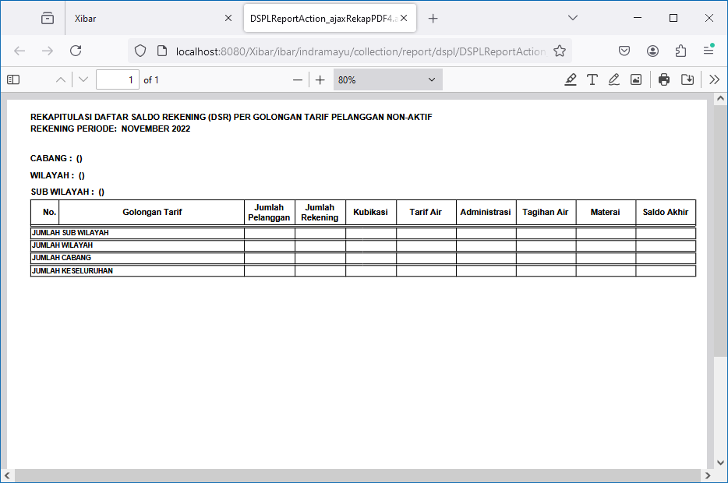
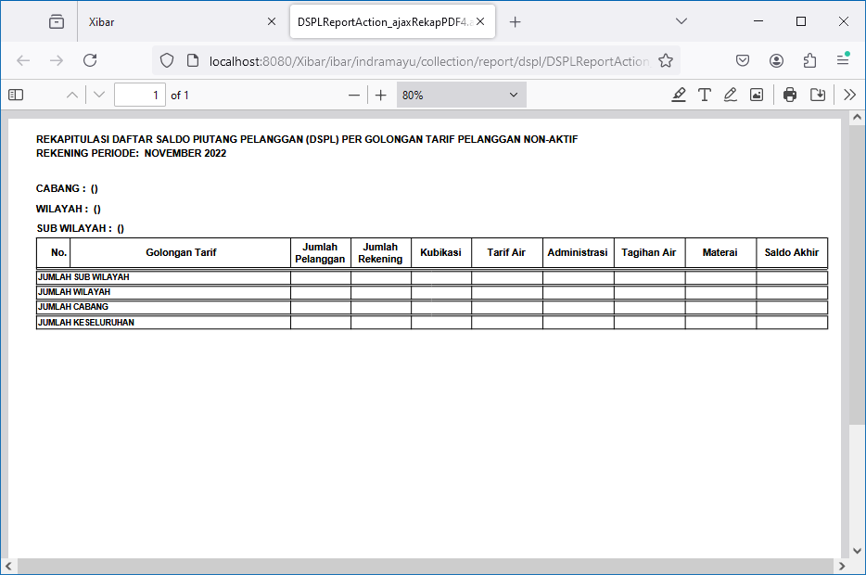
Debt Management | DSPL & DSR | Rekap Per Golongan Tarif
http://localhost:8080/Xibar/ibar/indramayu/collection/report/dspl/DSPLReportAction_listRekap.action

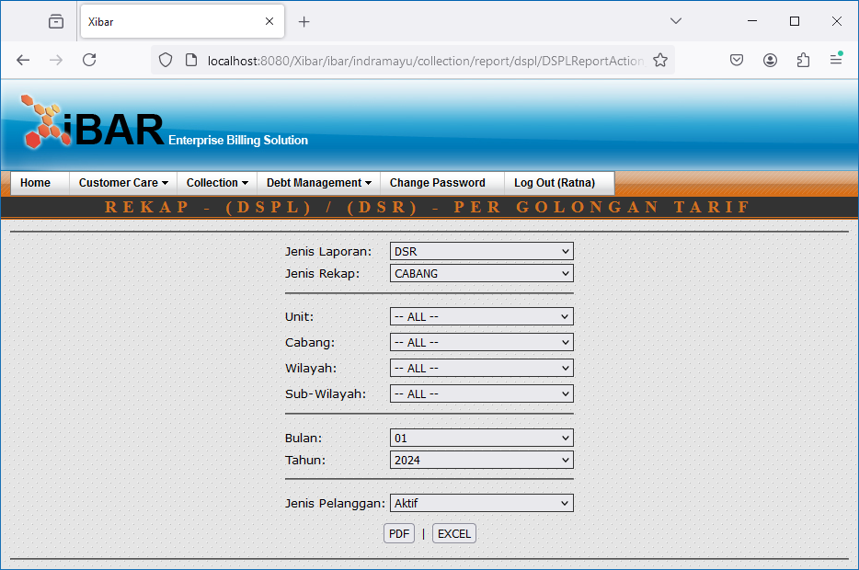

DSR | CABANG | ALL | Aktif | DSPL | CABANG | ALL | Aktif
http://localhost:8080/Xibar/ibar/indramayu/collection/report/dspl/DSPLReportAction_ajaxRekapPDF2.action?aktif=1&tahunAwal=2022&bulanAwal=11&jenisLaporan=1&jenisRekap=2 | http://localhost:8080/Xibar/ibar/indramayu/collection/report/dspl/DSPLReportAction_ajaxRekapPDF2.action?aktif=1&tahunAwal=2022&bulanAwal=11&jenisLaporan=2&jenisRekap=2

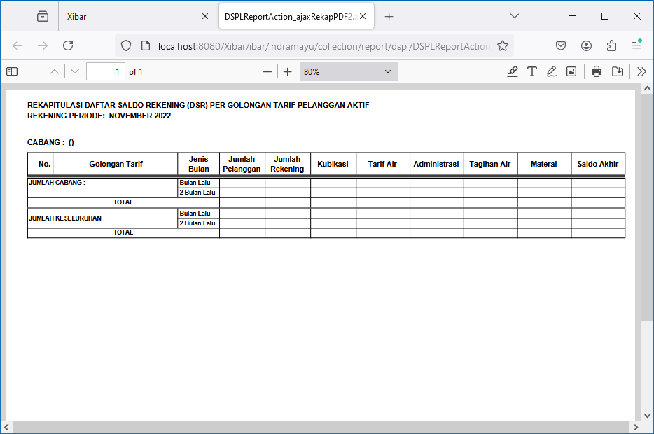
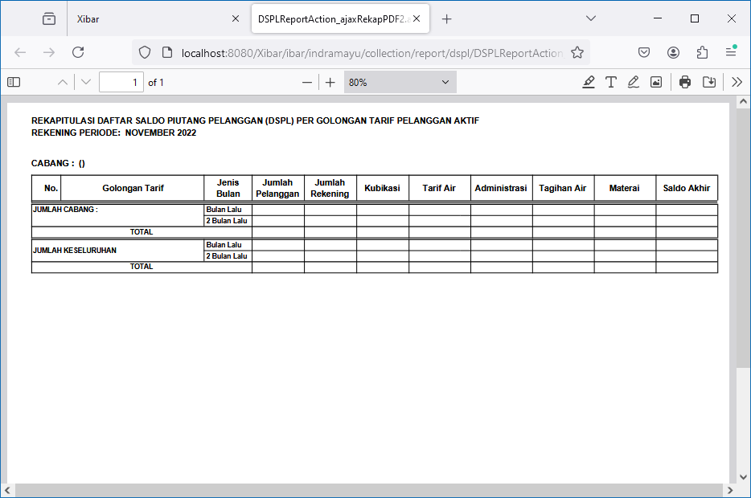

DSR | WILAYAH | ALL | Aktif | DSPL | WILAYAH | ALL | Aktif
http://localhost:8080/Xibar/ibar/indramayu/collection/report/dspl/DSPLReportAction_ajaxRekapPDF3.action?aktif=1&tahunAwal=2022&bulanAwal=11&jenisLaporan=1&jenisRekap=3 | http://localhost:8080/Xibar/ibar/indramayu/collection/report/dspl/DSPLReportAction_ajaxRekapPDF3.action?aktif=1&tahunAwal=2022&bulanAwal=11&jenisLaporan=2&jenisRekap=3

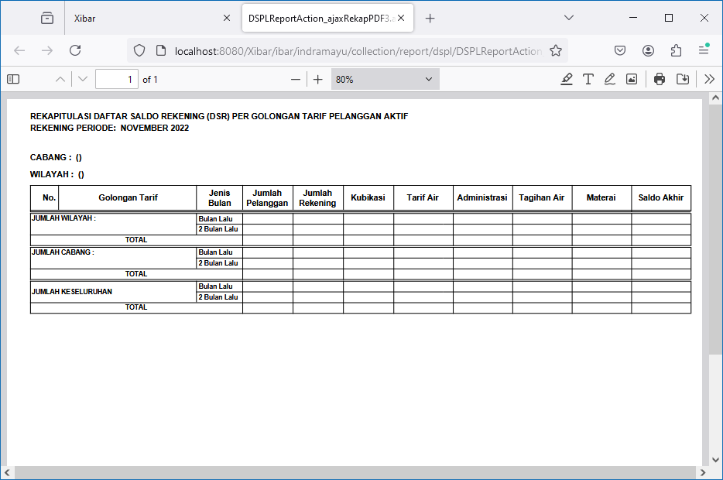
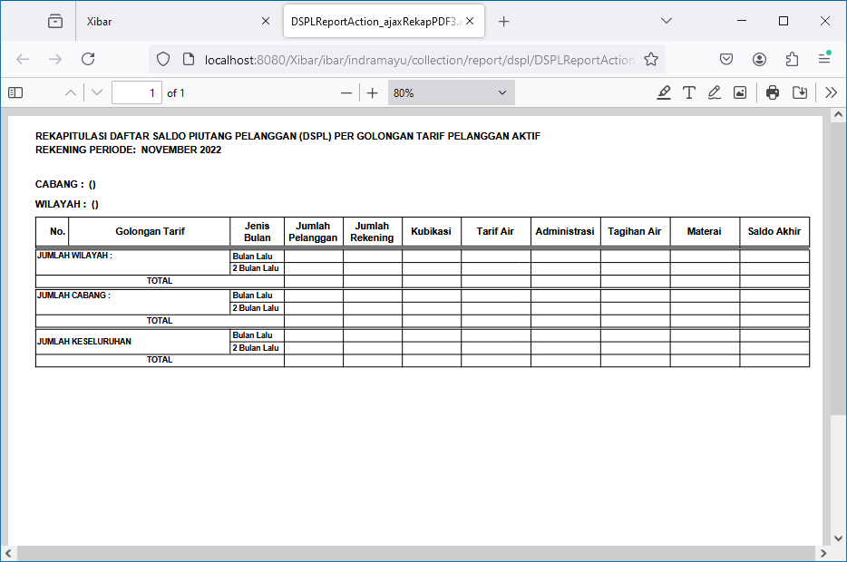

DSR | SUB-WILAYAH | ALL | Aktif | DSPL | SUB-WILAYAH | ALL | Aktif
http://localhost:8080/Xibar/ibar/indramayu/collection/report/dspl/DSPLReportAction_ajaxRekapPDF4.action?aktif=1&tahunAwal=2022&bulanAwal=11&jenisLaporan=1&jenisRekap=4 | http://localhost:8080/Xibar/ibar/indramayu/collection/report/dspl/DSPLReportAction_ajaxRekapPDF4.action?aktif=1&tahunAwal=2022&bulanAwal=11&jenisLaporan=2&jenisRekap=4

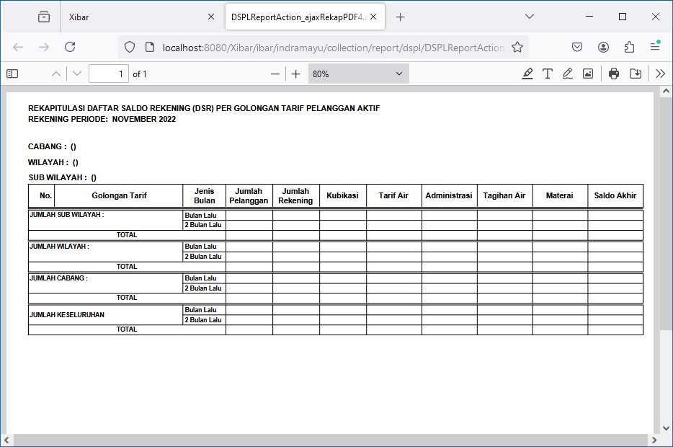
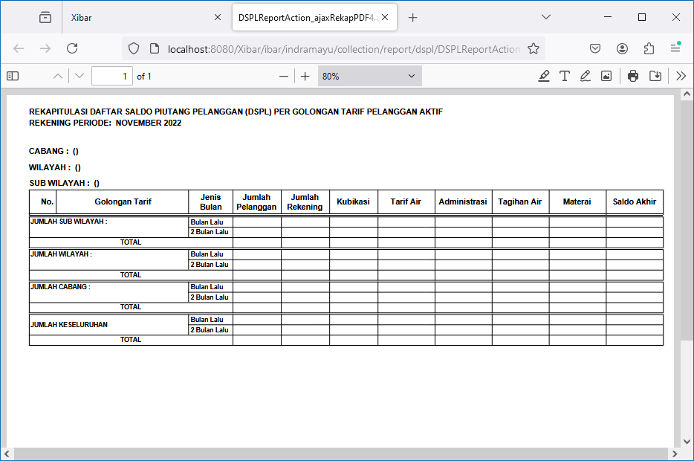

DSR | CABANG | ALL | Non Aktif | DSPL | CABANG | ALL | Non Aktif
http://localhost:8080/Xibar/ibar/indramayu/collection/report/dspl/DSPLReportAction_ajaxRekapPDF2.action?aktif=0&tahunAwal=2022&bulanAwal=11&jenisLaporan=1&jenisRekap=2 | http://localhost:8080/Xibar/ibar/indramayu/collection/report/dspl/DSPLReportAction_ajaxRekapPDF2.action?aktif=0&tahunAwal=2022&bulanAwal=11&jenisLaporan=2&jenisRekap=2

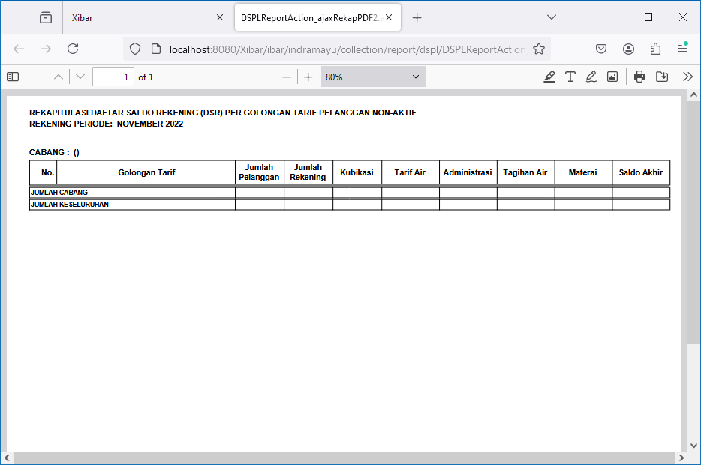
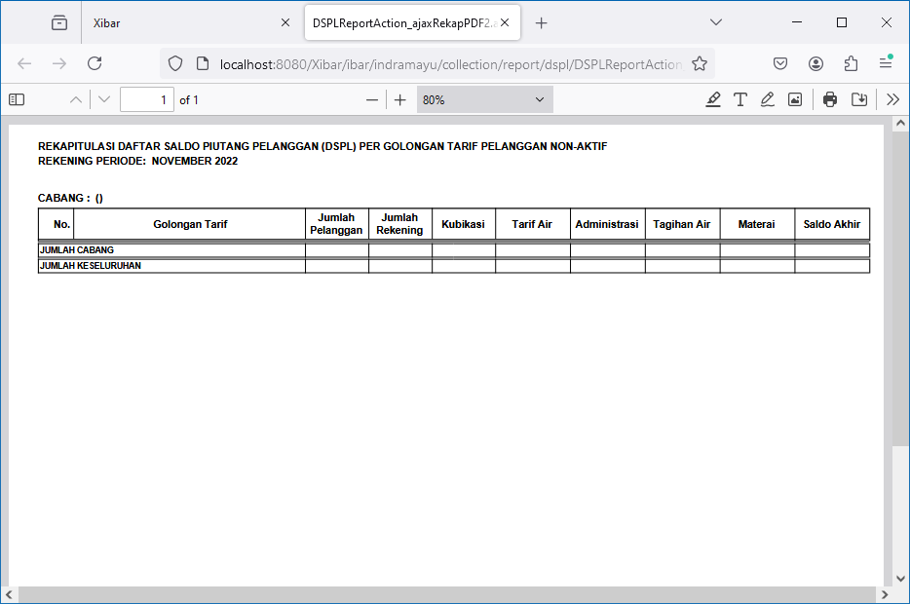

DSR | WILAYAH | ALL | Non Aktif | DSPL | WILAYAH | ALL | Non Aktif
http://localhost:8080/Xibar/ibar/indramayu/collection/report/dspl/DSPLReportAction_ajaxRekapPDF3.action?aktif=0&tahunAwal=2022&bulanAwal=11&jenisLaporan=1&jenisRekap=3 | http://localhost:8080/Xibar/ibar/indramayu/collection/report/dspl/DSPLReportAction_ajaxRekapPDF3.action?aktif=0&tahunAwal=2022&bulanAwal=11&jenisLaporan=2&jenisRekap=3

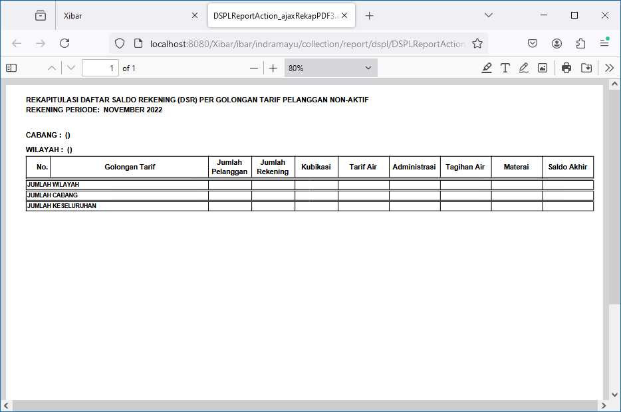
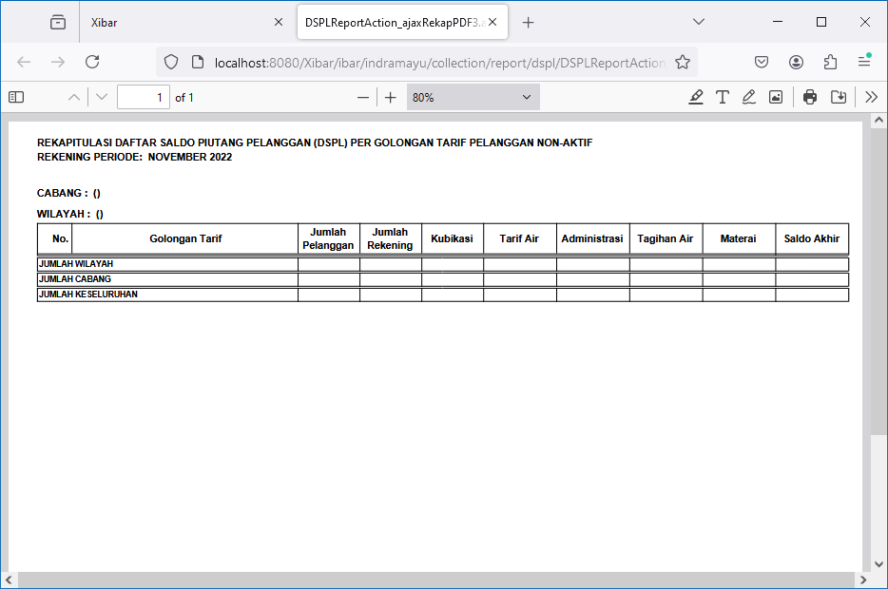

DSR | SUB-WILAYAH | ALL | Non Aktif | DSPL | SUB-WILAYAH | ALL | Non Aktif
http://localhost:8080/Xibar/ibar/indramayu/collection/report/dspl/DSPLReportAction_ajaxRekapPDF4.action?aktif=0&tahunAwal=2022&bulanAwal=11&jenisLaporan=1&jenisRekap=4 | http://localhost:8080/Xibar/ibar/indramayu/collection/report/dspl/DSPLReportAction_ajaxRekapPDF4.action?aktif=0&tahunAwal=2022&bulanAwal=11&jenisLaporan=2&jenisRekap=4

